Dashboard
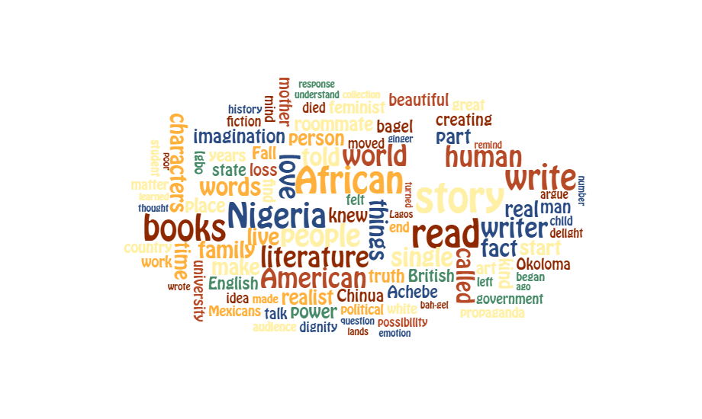
CHIMAMANDA NGOZI ADICHIE

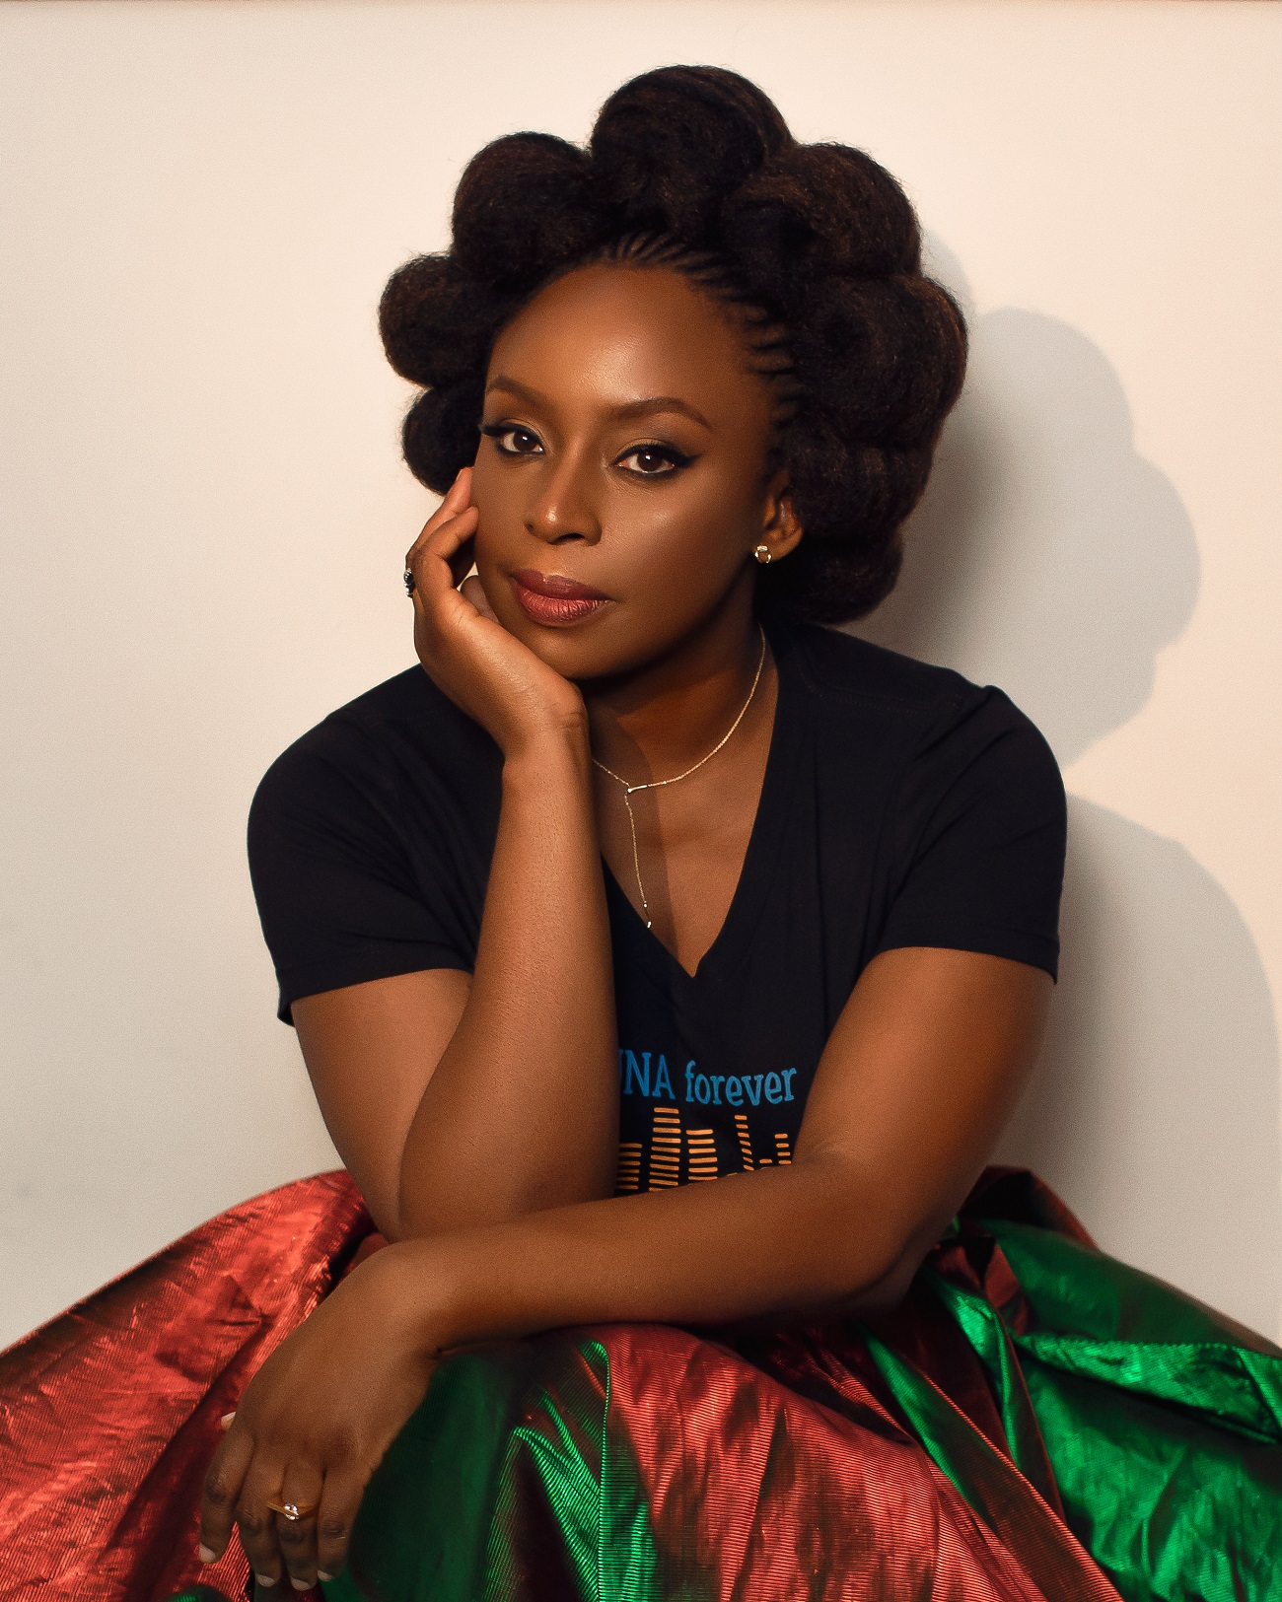
 | LITERARY WORKS | HONORARY DOCTORATES | LITERARY AWARDS AND RECOGNITIONS

 | 19 | 18 | 44

Early Life and Education
1993-01-01
1994-01-01
1995-01-01 | 30
1996-01-01
1997-01-01 | -5
1998-01-01
1999-01-01 | 20
2000-01-01 | -15
2001-01-01 | 5
2002-01-01
2003-01-01 | -30
2004-01-01 | 15
2005-01-01
2006-01-01 | -15
2007-01-01
2008-01-01 | 30
2009-01-01 | -5
2010-01-01
2011-01-01
2012-01-01 | 5
2013-01-01

Count by Literary Genre
 | Total
Memoir | 1
Play | 1
Poetry | 1
Short story collection | 1
Story | 1
Essay | 2
Novel | 3
Short fiction | 9
Count by Publisher
 | Total
Alfred A. Knopf (New York) | 1
Amazon Original Stories | 1
Black Balloon, an imprint of Catapult | 1
Matter | 1
Minerva Press (London) | 1
Spectrum Books (Ibadan) | 1
The New York Times | 1
The Observer | 1
The New Yorker | 5
4th Estate (London) | 6

Literary Recognitions Over Time
 | Total
2002 | 3
2003 | 2
2004 | 4
2005 | 3
2006 | 1
2007 | 6
2008 | 4
2009 | 3
2010 | 2
2011 | 1
2013 | 2
2014 | 4
2015 | 2
2017 | 2
2018 | 2
2020 | 1
2021 | 2

Literary Awards by Literary Works
 | Total
Beyoncé (as featured artist) | 1
Dear Ijeawele | 1
You in America | 1
The Tree in Grandma's Garden | 1
That Harmattan Morning | 1
The American Embassy | 1
The Thing Around Your Neck | 4
Americanah | 5
Purple Hibiscus | 7
Half of a Yellow Sun | 9
Literary Awards By Result
 | Total
Joint win | 3
Longlisted | 2
Nominated | 9
Runner-up | 2
Shortlisted | 9
Won | 19

Distribution of Honorary Degrees by Countries
 | Total
Belgium | 1
England | 1
Scotland | 1
USA | 15
 | Word Cloud of Most Famous Speeches

Early Life
EARLY LIFE AND EDUCATION
Start Year | End Year | Event
1977 |  | Born
1977 | 1995 | Primary and Secondary education at the University of Nigeria School
1995 | 1997 | Studied Medicine and Pharmacy at University of Nigeria
1997 |  | Published a collection of poems entitled Decisions
1997 | 1999 | Studied communication at Drexel University in Philadelphia on a scholarship
2000 |  | Published a play, For Love of Biafra
2000 | 2001 | Graduated summa cum laude from Eastern Connecticut State University in 2001 with a major in communication and a minor in political science
2003 |  | Published Purple Hibiscus
2004 |  | Completed a master's degree in creative writing at Johns Hopkins University
2005 | 2006 | Hodder Fellow at Princton University
2006 |  | Published Half of a Yellow Sun
2006 | 2008 | Masters of Arts Degree in African Studies from Yale University
2008 |  | Awarded a MacArthur Fellowship
2009 |  | Published a collection of short stories titled The Thing Around Your Neck
2011 | 2012 | Awarded a fellowship by the Radcliffe Institute for Advanced Study, Havard University

TRANSFORMED TABLE FOR VISUALIZATION
Year | Event Height and Direction | Event
1977-01-01 | 10 | Birth
1978-01-01
1979-01-01
1980-01-01
1981-01-01
1982-01-01
1983-01-01
1984-01-01
1985-01-01
1986-01-01
1987-01-01
1988-01-01
1989-01-01
1990-01-01
1991-01-01
1992-01-01
1993-01-01
1994-01-01
1995-01-01 | 30 | Completed secondary education at the University of Nigeria School
1996-01-01
1997-01-01 | -5 | Studied Medicine and Pharmacy at University of Nigeria
1998-01-01
1999-01-01 | 20 | Studied communication at Drexel University in Philadelphia on a scholarship
2000-01-01 | -15 | Published a play, For Love of Biafra
2001-01-01 | 5 | Graduated summa cum laude from Eastern Connecticut State University
2002-01-01
2003-01-01 | -30 | Published Purple Hibiscus
2004-01-01 | 15 | Completed a master's degree in creative writing at Johns Hopkins University
2005-01-01
2006-01-01 | -15 | Hodder Fellow at Princton University
2007-01-01
2008-01-01 | 30 | Masters of Arts Degree in African Studies from Yale University
2009-01-01 | -5 | Published The Thing Around Your Neck
2010-01-01
2011-01-01
2012-01-01 | 5 | Awarded a fellowship by the Radcliffe Institute for Advanced Study, Havard University
2013-01-01
Early Life and Education
1993-01-01
1994-01-01
1995-01-01 | 30
1996-01-01
1997-01-01 | -5
1998-01-01
1999-01-01 | 20
2000-01-01 | -15
2001-01-01 | 5
2002-01-01
2003-01-01 | -30
2004-01-01 | 15
2005-01-01
2006-01-01 | -15
2007-01-01
2008-01-01 | 30
2009-01-01 | -5
2010-01-01
2011-01-01
2012-01-01 | 5
2013-01-01

Bibliography
BIBLIOGRAPHY
Year | Title | Publisher | Literary Genre
1997-01-01 | Decisions | Minerva Press (London) | Poetry
1998-01-01 | For Love of Biafra | Spectrum Books (Ibadan) | Play
2003-01-01 | Purple Hibiscus | 4th Estate (London) | Novel
2006-01-01 | Half of a Yellow Sun | 4th Estate (London) | Novel
2007-01-01 | Cell One | The New Yorker | Short fiction
2008-01-01 | The Headstrong Historian | The New Yorker | Short fiction
2008-01-01 | A Private Experience | The Observer | Short fiction
2009-01-01 | The Thing Around Your Neck | 4th Estate (London) | Short story collection
2010-01-01 | Birdsong | The New Yorker | Short fiction
2013-01-01 | Americanah | Alfred A. Knopf (New York) | Novel
2013-01-01 | Checking Out | The New Yorker | Short fiction
2014-01-01 | We Should All Be Feminists | 4th Estate (London) | Essay
2015-01-01 | Olikoye | Matter | Short fiction
2015-01-01 | Apollo | The New Yorker | Short fiction
2016-01-01 | The Arrangements: A Work of Fiction | The New York Times | Short fiction
2017-01-01 | Dear Ijeawele, or A Feminist Manifesto in Fifteen Suggestions | 4th Estate (London) | Essay
2019-01-01 | Sierra Leone, 1997 | Black Balloon, an imprint of Catapult | Story
2020-01-01 | Zikora | Amazon Original Stories | Short fiction
2021-01-01 | Notes on Grief | 4th Estate (London) | Memoir
Count by Literary Genre
Literary Genre | Count of Literary Genre
Memoir | 1
Play | 1
Poetry | 1
Short story collection | 1
Story | 1
Essay | 2
Novel | 3
Short fiction | 9
Grand Total | 19

Count by Publisher
Publisher | Count of Publisher
Alfred A. Knopf (New York) | 1
Amazon Original Stories | 1
Black Balloon, an imprint of Catapult | 1
Matter | 1
Minerva Press (London) | 1
Spectrum Books (Ibadan) | 1
The New York Times | 1
The Observer | 1
The New Yorker | 5
4th Estate (London) | 6
Grand Total | 19

Literary Awards
LITERARY AWARDS AND RECOGNITIONS
Year | Award | Work | Result
2002 | Caine Prize for African Writing | You in America | Shortlisted
2002 | Commonwealth Short Story Competition | The Tree in Grandma's Garden | Runner-up
2002 | BBCmeasuring Competition | That Harmattan Morning | Joint win
2003 | David T. Wong International Short Story Prize (PEN American Center Award) | Half of a Yellow Sun | Won
2003 | O. Henry Prize | The American Embassy | Won
2004 | Hurston-Wright Legacy Award: Best Debut Fiction Category | Purple Hibiscus | Won
2004 | Orange Prize | Purple Hibiscus | Shortlisted
2004 | Booker Prize | Purple Hibiscus | Longlisted
2004 | Young Adult Library Services Association Best Books for Young Adults Award | Purple Hibiscus | Nominated
2005 | John Llewellyn Rhys Prize | Purple Hibiscus | Shortlisted
2005 | Commonwealth Writers' Prize: Best First Book (Africa) | Purple Hibiscus | Won
2005 | Commonwealth Writers' Prize: Best First Book (overall) | Purple Hibiscus | Won
2006 | National Book Critics Circle Award | Half of a Yellow Sun | Nominated
2007 | British Book Awards: "Richard & Judy Best Read of the Year" category | Half of a Yellow Sun | Nominated
2007 | James Tait Black Memorial Prize | Half of a Yellow Sun | Nominated
2007 | Commonwealth Writers' Prize: Best Book (Africa) | Half of a Yellow Sun | Shortlisted
2007 | Anisfield-Wolf Book Award: Fiction category | Half of a Yellow Sun | Joint win
2007 | PEN Beyond Margins Award | Half of a Yellow Sun | Joint win
2007 | Orange Broadband Prize: Fiction category | Half of a Yellow Sun | Won
2008 | International Dublin Literary Award |  | Nominated
2008 | Reader's Digest Author of the Year Award |  | Won
2008 | Future Award, Nigeria: Young Person of the Year category |  | Won
2008 | MacArthur Foundation Genius Grant |  | Won
2009 | International Nonino Prize |  | Won
2009 | Frank O'Connor International Short Story Award | The Thing Around Your Neck | Longlisted
2009 | John Llewellyn Rhys Prize | The Thing Around Your Neck | Shortlisted
2010 | Commonwealth Writers' Prize: Best Book (Africa) | The Thing Around Your Neck | Shortlisted
2010 | Dayton Literary Peace Prize | The Thing Around Your Neck | Runner-up
2011 | This Day Awards: "New Champions for an Enduring Culture" category |  | Nominated
2013 | Chicago Tribune Heartland Prize: Fiction category | Americanah | Won
2013 | National Book Critics Circle Award: Fiction category | Americanah | Won
2014 | Baileys Women's Prize for Fiction | Americanah | Shortlisted
2014 | Andrew Carnegie Medal for Excellence in Fiction | Americanah | Shortlisted
2014 | MTV Africa Music Awards 2014: Personality of the Year |  | Nominated
2014 | Forbes Africa "Person of the Year" Award |  | Nominated
2015 | International Dublin Literary Award | Americanah | Shortlisted
2015 | Grammy Awards: Album of the Year | Beyoncé (as featured artist) | Nominated
2017 | Mary McCarthy Award, Bard College, USA |  | Won
2017 | Le Grand Prix de l'heroine Madame Figaro | Dear Ijeawele | Won
2018 | Barnes & Noble Writers for Writers Award |  | Won
2018 | PEN Pinter Prize |  | Won
2020 | Women's Prize for Fiction 'Winner of Winners' (25 years) | Half of a Yellow Sun | Won
2021 | Hurston/Wright Foundation's North Star Award |  | Won
2021 | New York Public Library: Library Lion Award |  | Won

Literary Awards By Result
Result | Count of Result
Joint win | 3
Longlisted | 2
Nominated | 9
Runner-up | 2
Shortlisted | 9
Won | 19
Grand Total | 44

Literary Awards by Literary Works
Work | Count of Work
Beyoncé (as featured artist) | 1
Dear Ijeawele | 1
You in America | 1
The Tree in Grandma's Garden | 1
That Harmattan Morning | 1
The American Embassy | 1
The Thing Around Your Neck | 4
Americanah | 5
Purple Hibiscus | 7
Half of a Yellow Sun | 9
Grand Total | 31

Literary Recognitions Over Time
Year | Count of Year
2002 | 3
2003 | 2
2004 | 4
2005 | 3
2006 | 1
2007 | 6
2008 | 4
2009 | 3
2010 | 2
2011 | 1
2013 | 2
2014 | 4
2015 | 2
2017 | 2
2018 | 2
2020 | 1
2021 | 2
Grand Total | 44

Honorary Doctorates
Honorary Doctorates and Academic Distinctions
Year | Degree | Institution | State | Country
2015 | Honorary Doctorate | Eastern Connecticut State University | Connecticut | USA
2016 | Barnard Medal of Distinction |  | New York | USA
2016 | Honorary Doctorate | Johns Hopkins | Maryland | USA
2017 | Honorary Member | American Academy of Arts and Sciences | Massachusetts | USA
2017 | Honorary Degree | Haveford College | Pennsylvania | USA
2017 | Honorary Degree of Doctor of Letters | University of Edinburgh | Edinburgh | Scotland
2018 | Honorary Doctor of Humane Letters Degree | Duke University | North Carolina | USA
2018 | Honorary Doctor of Humane Letters Degree | Amherst College | Massachusetts | USA
2018 | Honorary Degree of Doctor of Letters | Bowdoin Collefe | Maine | USA
2018 | Honorary Doctor of Literature Degree | University of London | London | England
2019 | Honorary Degree | American University | Washington DC | USA
2019 | Honorary Doctor of Humane Letters Degree | Georgetown University | Washington DC | USA
2019 | Honorary Doctorate of Fine Arts Degree | Rhode Island School of Design | Rhode Island | USA
2019 | Doctor of Letters, Honoris Causa | Yale University | Connecticut | USA
2019 | Honorary Degree | Northwestern University | Illinois | USA
2020 | Honorary Degree | University of Pennsylvania | Pennsylvania | USA
2022 | Honorary Doctorate | Catholic University of Louvain-la-Neuve | Louvain-la-Neuve | Belgium
2022 | W.E.B Du Bois Medal | Havard University | Massachusetts | USA

Distribution of Honorary Degrees by Countries
Country | Count of State
Belgium | 1
England | 1
Scotland | 1
USA | 15
Grand Total | 18

